202601 Ecomm
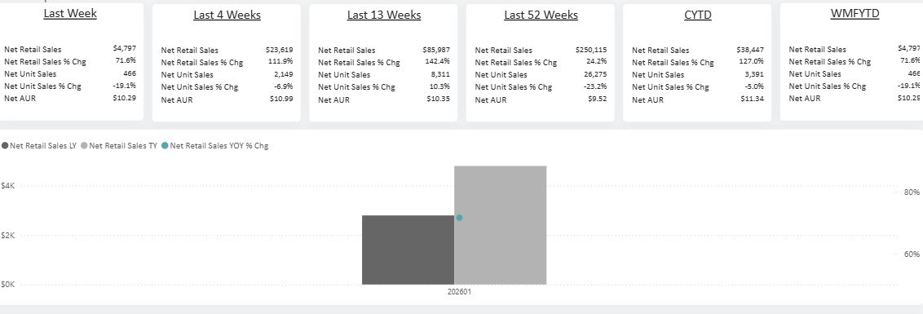
Product Name | Net Retail Sales | Net Retail Sales % Chg | Net Unit Sales | Net Unit Sales % Chg | Net AUR | LY Net AUR
Feline Fresh Non-Clumping Natural Pine Pellet Cat Litter, Unscented, 40 lb Bag | $1,824 |  | 91 |  | $20.05
Feline Fresh Non- Clumping Natural Pine Pellet Cat Litter, Unscented, 20 lb Bag | $1,550 | 15.0% | 154 | 28.3% | $10.06 | $11.23
Feline Fresh Non-Clumping Natural Pine Pellet Cat Litter, Unscented, 10 lb Bag | $1,423 | 6335.5% | 221 | 7266.7% | $6.44 | $7.37
Feline Fresh Natural Pine Cat Litter, 20 lb. | $0 | -100.0% | 0 | -100.0% |  | $22.36
Feline Fresh Natural Pine Cat Litter, 7-lb | $0 | -100.0% | 0 | -100.0% |  | $3.14
Feline Fresh Pine Pellet Cat Litter, 20lb | $0 | -100.0% | 0 | -100.0% |  | $15.35
Total | $4,797 | 71.6% | 466 | -19.1% | $10.29 | $4.85

